TITLE - 2000 V Series
 | EGRESS LIMITS |  | For 2000 Series Vertical Sliding Windows

2018 BC Building Code

Section 9.9.10.1 states that Bedroom Windows shall provide unobstructed openings with areas not less than 0.35m2 (3.76 ft2) and with no dimension less than 380mm (15").

Link to Window/Door Egress Section of 2018 BCBC

Configuration 1 O/V |  | Configuration 2 O/V |  | Configuration 3 OO/VO
Equal |  | Un-equal Horizontal below Centreline |  | Equal | Note: Latches will contact head before fully opening with this configuration
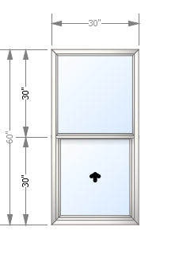 |  | 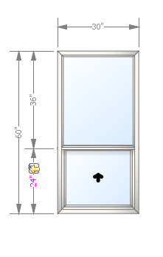 |  | 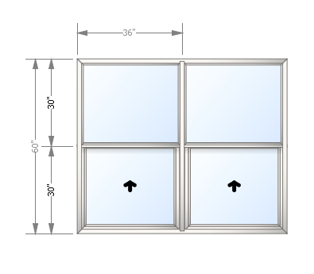

Configuration 4 OOO/VOV |  | Configuration 5 OOO/OVO
Un-equal Horizontal below Centreline |  | Un-equal Horizontal below Centreline
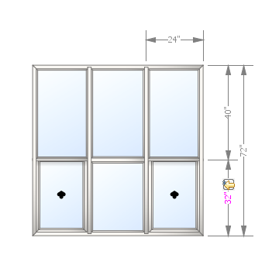 |  | 